General
 |  |  |  | 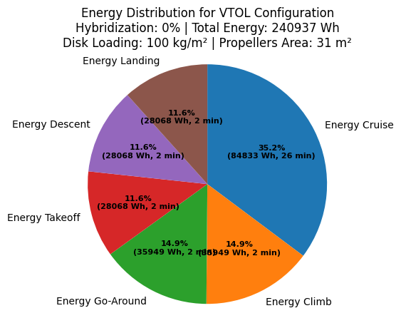 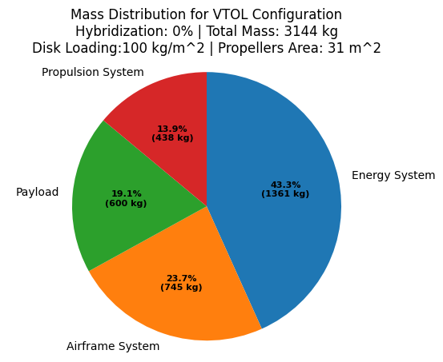 |  |  |  |  |  | Inputs
 |  |  |  |  |  |  |  |  |  | Outputs

 |  |  |  |  |  |  |  |  |  | Global parameters
 |  |  |  |  |  |  |  |  |  | Parameter | Unit | Value | Unit | Value | Comment
 |  |  |  |  |  |  |  |  |  | Density | kg/m^3 | 1.166 | slugs/ft^3 | 0.00226 | -
 |  |  |  |  |  |  |  |  |  |  |  | 0.0000181

Aircraft general characteristics |  |  |  |  | Aircraft performance
Parameter | Unit | Value | Comment |  | Parameter | Unit | Value | Reynolds | Comment | Parameter | Unit | Value
MTOW | kg | 3144 | Estimation |  | Vmax | m/s | 80 | 68025489 | Fixed | Performance
Payload | kg | 600 |  |  | VCruise | m/s | 69.7 | 7408520 |  | Vmax | m/s | 80
Battery mass | kg | 1361 |  |  | VStall | m/s | 31.00 | 5047866 |  | VCruise | m/s | 69.7
 |  |  |  |  | Cruise altitude | ft | 1000.0 |  |  | VStall | m/s | 31.0
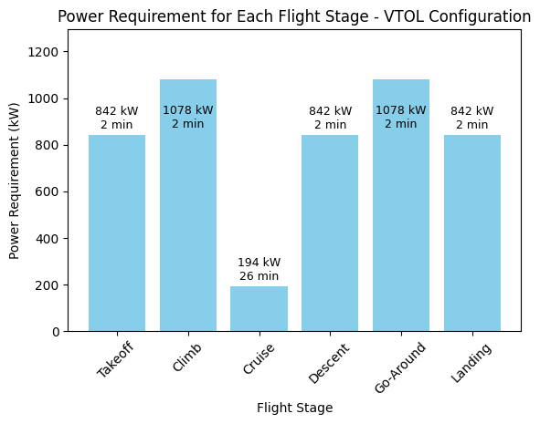
 |  |  |  |  |  |  |  |  |  | Cruise altitude | ft | 1000.0
 |  |  |  |  | Wing area | m2 | 21.78 |  |  | Aerodynamics
 |  |  |  |  | Aspect Ratio | - | 8.00 |  |  | Wing area | m² | 21.78
 |  |  |  |  | Wingspan | m | 13.20 |  |  | Aspect Ratio | - | 8.00
 |  |  |  |  | Airfoil | - | NACA 4417 |  |  | Wingspan | m | 13.20
 |  |  |  |  |  |  |  |  |  | Parameter | Unit | Value
 |  |  |  |  | Motor reference | - | Emrax 348 |  |  | Airfoil | - | NACA 4417
 |  |  |  |  | Motor continuous power | kW | 200 |  |  | Power and Propulsion
 |  |  |  |  | Available power VTOL | kW | 1600 |  |  | Motor reference | - | Emrax 348
 |  |  |  |  | Available power cruise | kW | 400 |  |  | Motor continuous power | kW | 200
 |  |  |  |  | # Fixed Motors | - | 6 |  |  | Available power VTOL | kW | 1600
 |  |  |  |  | Blades (and diameter) fixed motors | - | 2 (2,11 m) |  |  | Available power cruise | kW | 400
 |  |  |  |  | # Tilting Motors | - | 2 |  |  | Motors and Blades
 |  |  |  |  | Blades (and diameter) tilting motors | - | 3 (1,96 m) |  |  | # Fixed Motors | - | 6
 |  |  |  |  |  |  |  |  |  | Blades (and diameter) fixed motors | - | 2 (2.11 m)
 |  |  |  |  |  |  |  |  |  | # Tilting Motors | - | 2
 |  |  |  |  |  |  |  |  |  | Blades (and diameter) tilting motors | - | 3 (1.96 m)

Propulsion Sizing
Motor name | Continuous Power (kW) | Peak Power (kW) | Mass (kg) | Continuous Torque (Nm) | Peak Torque (Nm) | Link
Emrax 348 | 210 | 400 | 41 | 500 | 1000 | https://emrax.com/e-motors/emrax-348/ | The maximum service ceiling is 6,500 m
MAGicALL MAGiDRIVE 300 | 240 | 300 | 30 | 1440 | 2400 | https://www.magicall.biz/products/integrated-motor-controller-magidrive/
MGM-COMPRO 80 | 65 | 80 | 23.8 |  | 300 | https://www.mgm-compro.com/electric-motor/80-kw-electric-motor/
Siemens SP200D | 204 | 204 | 49 | 1500 | 1500 | Siemens eAircraft - Disrupting the way you will fly!
Siemens SP260D | 260 |  | 50 | 1000 | 1000
Siemens SP260D-A | 260 |  | 44
MAGicALL MAGiDRIVE 500 | 400 | 500 | 50 | 3000 | 5000

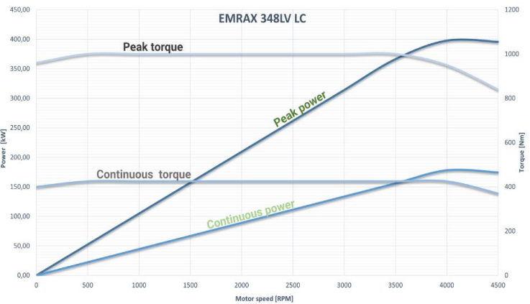
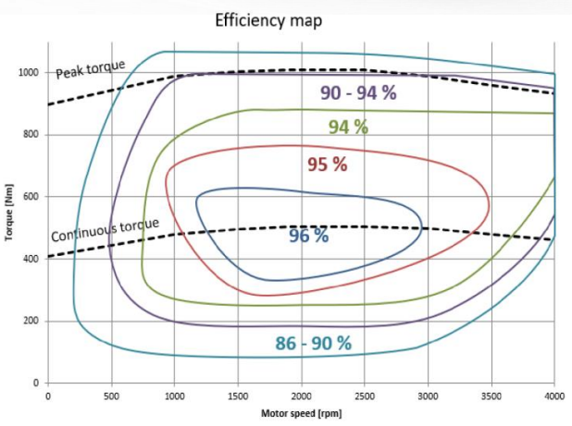

PROPELLER CONSIDERATION
Blades | Power (kW) | Kp | Diameter (m) | Allowable Vtip (m/s) | RPM
2 | 200 | 0.56 | 2.11 | 213 | 1931.68
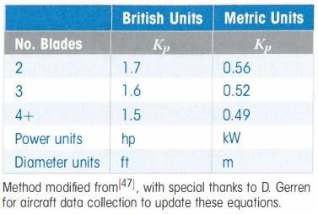
3 | 200 | 0.52 | 1.96 | 213 | 2080.27
4 | 200 | 0.49 | 1.84 | 213 | 2207.64

Stability and Control
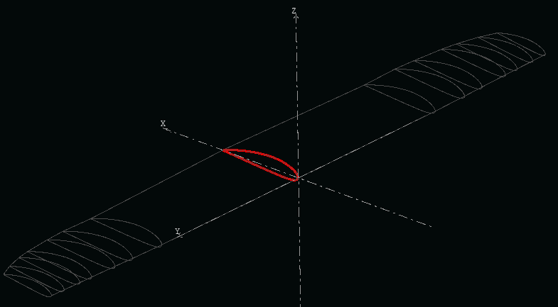
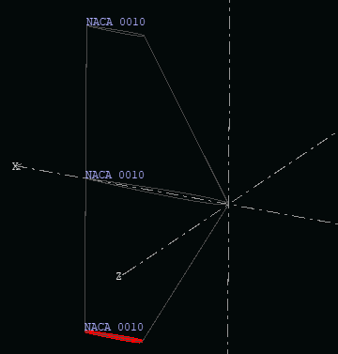
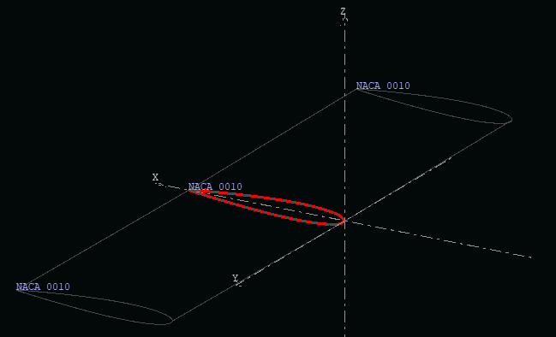
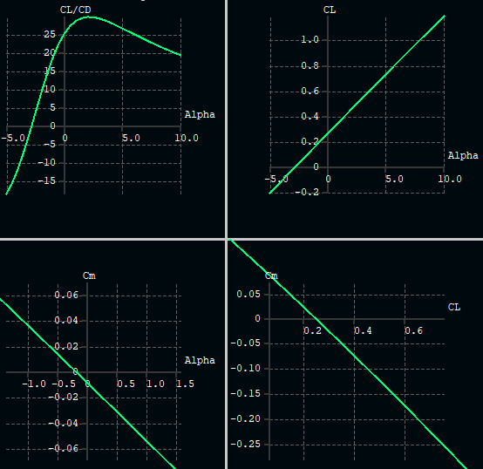
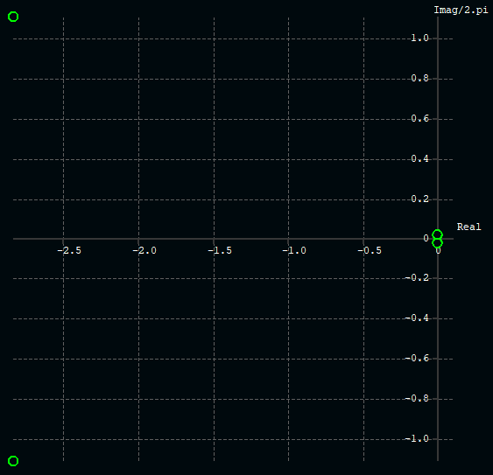
Center of Mass in x (longitudinal) with respect to datum [mm] | 3414.346374 | ROOT LOCUS GRAPHS
Neutral point [mm] | 4200
Aerodynamical chord [mm] | 1600 | Longitudinal mode
Static margin | 49.10%
Angle of attack Cm=0 [deg] | -0.180
CL at Cm=0 | 0.25
Slope Cm,alpha | -0.045
Glide ratio at Cm=0 | 25
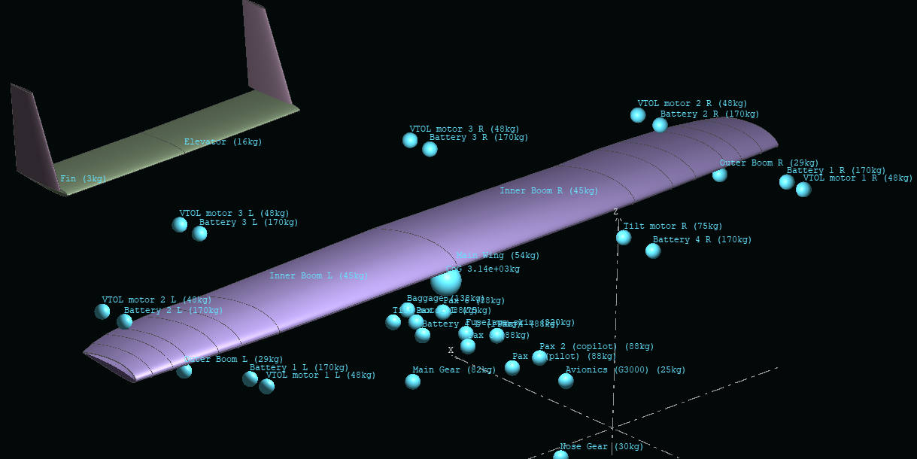

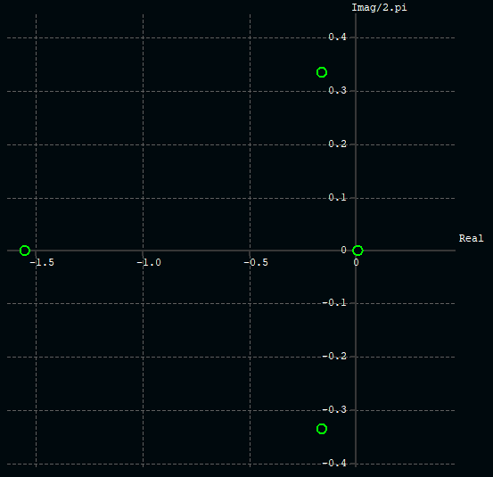
 |  | Lateral mode

